Sheet1
SalesRepTable |  |  | BudgetTable
SalesRepID | SalesRepName |  | SalesRepID | BudgetSum
SR01 | Jane Smith |  | SR01 | 4000
SR02 | John Doe |  | SR04 | 5000
SR03 | Emily Stone

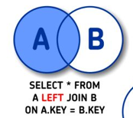
 |  | LEFT JOIN |  | Kõik read müügiesindajate tabelist ja seotud read eelarve tabelist.
 |  | SELECT *
 |  | FROM SalesRepTable
 |  | LEFT JOIN BudgetTable
 |  | ON SalesREPTable.SalesRepID
 |  | /= BudgetTable.SalesRepID

RESULT:
SalesRepTable |  |  | BudgetTable
SalesRepID | SalesRepName |  | SalesRepID | BudgetSum
SR01 | Jane Smith |  | SR01 | 4000
SR02 | John Doe |  | NULL | NULL
SR03 | Emily Stone |  | NULL | NULL

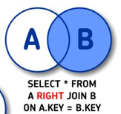
 |  | RIGHT JOIN |  | Kõik read eelarve tabelist ja seotud read müügiesindajate tabelist.
 |  | SELECT *
 |  | FROM SalesRepTable
 |  | RIGHT JOIN BudgetTable
 |  | ON SalesREPTable.SalesRepID
 |  | /= BudgetTable.SalesRepID

RESULT:
SalesRepTable |  |  | BudgetTable
SalesRepID | SalesRepName |  | SalesRepID | BudgetSum
SR01 | Jane Smith |  | SR01 | 4000
NULL | NULL |  | SR04 | 5000
NULL | NULL

 |  | INNER JOIN |  | Kõik read, mis on olemas nii müügiesindajate tabelis kui ka eelarve tabelis.
 |  | SELECT * |  | JOIN - on Postgresql´is ka vaikimisi, INNER JOIN.
 |  | FROM SalesRepTable
 |  | INNER JOIN BudgetTable
 |  | ON SalesREPTable.SalesRepID
 |  | /= BudgetTable.SalesRepID

RESULT:
SalesRepTable |  |  | BudgetTable
SalesRepID | SalesRepName |  | SalesRepID | BudgetSum
SR01 | Jane Smith |  | SR01 | 4000

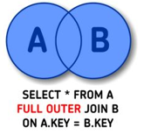
 |  | FULL OUTER JOIN |  | Kõik read müügiesindajate ja eelarve tabelist.
 |  | SELECT *
 |  | FROM SalesRepTable
 |  | FULL OUTER JOIN BudgetTable
 |  | ON SalesREPTable.SalesRepID
 |  | /= BudgetTable.SalesRepID

RESULT:
SalesRepTable |  |  | BudgetTable
SalesRepID | SalesRepName |  | SalesRepID | BudgetSum
SR01 | Jane Smith |  | SR01 | 4000
SR02 | John Doe |  | NULL | NULL
SR03 | Emily Stone |  | NULL | NULL
NULL | NULL |  | SR04 | 5000

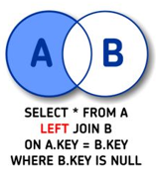
 |  | LEFT JOIN + IS NULL |  | Müügiesindaja tabelist read, mida eelarve tabelis ei ole.
 |  | SELECT *
 |  | FROM SalesRepTable
 |  | LEFT JOIN BudgetTable
 |  | ON SalesREPTable.SalesRepID
 |  | /= BudgetTable.SalesRepID
 |  | WHERE BudgetTable.SalesRepID IS NULL
RESULT:
SalesRepTable |  |  | BudgetTable
SalesRepID | SalesRepName |  | SalesRepID | BudgetSum
SR02 | John Doe |  | NULL | NULL
SR03 | Emily Stone |  | NULL | NULL

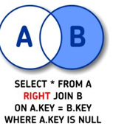
 |  | RIGHT JOIN + IS NULL |  | Eelarve tabelist read, mida müügiesindajate tabelis ei ole.
 |  | SELECT *
 |  | FROM SalesRepTable
 |  | RIGHT JOIN BudgetTable
 |  | ON SalesREPTable.SalesRepID
 |  | /= BudgetTable.SalesRepID
 |  | WHERE SalesRep.SalesRepID IS NULL
RESULT:
SalesRepTable |  |  | BudgetTable
SalesRepID | SalesRepName |  | SalesRepID | BudgetSum
NULL | NULL |  | SR04 | 5000

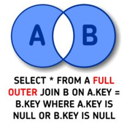
 |  | FULL OUTER JOIN + IS NULL |  | Read, mis on puudu, kas müügiesindaja või eelarve tabelist.
 |  | SELECT *
 |  | FROM SalesRepTable
 |  | FULL OUTER JOIN BudgetTable
 |  | ON SalesREPTable.SalesRepID
 |  | /= BudgetTable.SalesRepID
 |  | WHERE SalesRep.SalesRepID IS NULL
RESULT: |  | OR BudgetTable.SalesRepID IS NULL
SalesRepTable |  |  | BudgetTable
SalesRepID | SalesRepName |  | SalesRepID | BudgetSum
SR02 | John Doe |  | NULL | NULL
SR03 | Emily Stone |  | NULL | NULL
NULL | NULL |  | SR04 | 5000

